Class - 1-BASICS
Module 1 & Module 2 Notes
Overview & Excel Basics

What is Excel
Excel is an electronic spreadsheet which is used to organize,format,calculate and analyse the data.
What is spreadsheet
A spreadsheet is a special way of organizing data into rows and columns to make it simpler to read and manipulate.

EXCEL INERFACE & KEY TERMINOLOGIES
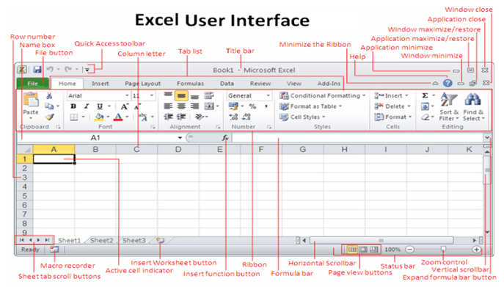

 |  |  |  |  |  |  |  |  |  | Terminologies : - Cell ----> cell reference ----> workbook ----> worksheet ----> worksheet tab-----> column and row heading ----> formula ---> formula bar ----> cell address bar ----> pivot table ----> pivot chart ----> source data -----> etc

How to customize the quick access toolbar
File-options-quick Access toolbar (Add or remove the item)-ok

How to customize the Ribbon
File-options-customize ribbon-new tab (Rename the Tab & Group Name) then add the item-ok

How to edit the custom List
File-options-Advanced-Edit Custom List(It is available on the bottom of dialogue box) then Make a comma seprated new list(e.g. INZ101,INZ106,INZ109)-ADD-OK
or ( if you have already list available)
File-options-Advanced-Edit Custom List(It is available on the bottom of dialogue box) then IMPORT the data from sheet-OK

Excel Sheet Reference style
1. A1 Style |  | Default style
2. R1C1 Style

How to change excel default options(sheet reference style)
File-options-formulas-Check on R1C1 Reference Style-ok

How to Freeze Panes the data/Table

View-Freeze Top Row or first column ( In case you want to freeze either row or column)
 | For Both Freeze(Row and column as per your requirement)
 | Put the cursor at the intersection over there you want to freeze then VIEW-FREEZE PANES (To remove -Unfreeze Panes)
 |  |  |  |  | Shortcut
File - New- To Create a new Workbook |  |  |  |  | Ctrl+N
File-open-To open an existing Workbook |  |  |  |  | ctrl+O
File-Save-To save the workbook permanently |  |  |  |  | ctrl+S
File-Save As-To Change the Format of a workbook(e.g. PDF,XML,To save in older verson office 97-2003)

Excel File Extention
Filename.xlsx(Ms office 2007 onwards)
Filename.xls(Before Ms office 2007)

Copy |  |  |  |  | Ctrl+C
Cut |  |  |  |  | Ctrl+X
Paste |  |  |  |  | Ctrl+V
Paste Special |  |  |  |  | Ctrl+Alt+V
 | Source Table |  |  |  |  | Want only format from source table
ID | NAME | CITY |  |  |  | Ans-Select the source table then copy now put the active cursor over there you want fromat only then go to paste special(ctrl+alt+v)-Format-OK
101 | A | A
102 | B | B
103 | A | A |  |  |  |  |  | ID | 101 | 102 | 103 | 104 | 105 | 106 | 107 | 108
104 | B | B |  |  |  |  |  | NAME | A | B | A | B | A | B | A | B
105 | A | A |  |  |  |  |  | CITY | A | B | A | B | A | B | A | B
106 | B | B
107 | A | A
108 | B | B

How to change data/table from vertical to horizontal and vice versa
Ans-Select the source table then copy ,now put the active cursor over there you want t5he changed data ,goto paste special(ctrl+alt+v)-TRANSPOSE-OK
SHORTCUT |  | ALT+H+V+T
Format Painter (Like the look of a perticular selection)
Ans-Select the source formatted table then click on FORMAT PAINTER(available in home tab) now select the desired destination table .

 | Source Table |  |  |  |  | Destination Table
ID | NAME | CITY |  |  | NAME | ID | ADDRESS
101 | A | A |  |  | AMAN | 101 | A
102 | B | B |  |  | SUMAN | 102 | B
103 | A | A |  |  | KIRAN | 103 | A
104 | B | B |  |  | MAHESH | 104 | B
105 | A | A |  |  | AMIT | 105 | A
106 | B | B |  |  | SUMIT | 106 | B
107 | A | A |  |  | KEERTI | 107 | A
108 | B | B |  |  | AMRESH | 108 | B

Superscript/Subscript/Strikethrough
 | Before |  | After
e.g. | H2SO4 |  | H2SO4 | Subscript
 | X2 |  | X2 | Superscript
 | X2 | TESt | X2 | Strikethrough

Excel Alignment
Left | Centre | Right
Top | Middle | Bottom

Wrap Text/Merge & Centre

 | Before Wrap Text
STUDENT N AME | BIRTH CITY | STUDENT MARKS

 | After Wrap Text
STUDENT N AME | BIRTH CITY | STUDENT MARKS

 | Before Merge & centre
Student Marks Session 2018-2019

 | After Merge & Centre
Student Marks Session 2018-2019

why do we use excel?

